Solihull no grooves OP20
Serial | FlatF | FlatE | FlatD | FlatG | ParaELH1 | ParaERH1 | ParaGFR1 | ParaGBK1 | E-F-1.5LH | E-F-1.5RH | E-F-10.3LH | E-F-10.3RH | G-D-1.5FR | G-D-1.5BK | G-D-10.3FR | G-D-10.3BK | Max | Min | Max-Min | PAIR | Result | Grade
042_OP20 | 0.0009 | 0.0009 | 0.0008 | 0.0010 | 0.0008 | 0.0006 | 0.0011 | 0.0007 | 28.020 | 28.019 | 28.021 | 28.020 | 28.020 | 28.020 | 28.022 | 28.020 | 28.022 | 28.019 | 0.002 | 1 | Pass | Xevo/Xevo
041_OP20 | 0.0010 | 0.0010 | 0.0013 | 0.0009 | 0.0014 | 0.0013 | 0.0023 | 0.0014 | 28.020 | 28.019 | 28.021 | 28.020 | 28.020 | 28.019 | 28.021 | 28.019 | 28.021 | 28.019 | 0.002 | 1 | Pass | Xevo/Xevo
031_OP20 | 0.0008 | 0.0009 | 0.0029 | 0.0009 | 0.0010 | 0.0010 | 0.0009 | 0.0007 | 28.019 | 28.019 | 28.020 | 28.020 | 28.020 | 28.019 | 28.021 | 28.020 | 28.021 | 28.019 | 0.002 | 2 | Pass | Xevo/MS1
025_OP20 | 0.0011 | 0.0012 | 0.0011 | 0.0010 | 0.0013 | 0.0007 | 0.0007 | 0.0006 | 28.020 | 28.019 | 28.020 | 28.020 | 28.022 | 28.021 | 28.023 | 28.021 | 28.023 | 28.019 | 0.003 | 2 | Pass | Xevo/MS1
029_OP20 | 0.0010 | 0.0008 | 0.0012 | 0.0013 | 0.0008 | 0.0012 | 0.0011 | 0.0009 | 28.020 | 28.021 | 28.021 | 28.022 | 28.021 | 28.021 | 28.022 | 28.021 | 28.022 | 28.020 | 0.002 | 3 | Pass | MS2/Res
036_OP20 | 0.0009 | 0.0006 | 0.0009 | 0.0009 | 0.0010 | 0.0016 | 0.0017 | 0.0015 | 28.022 | 28.023 | 28.024 | 28.025 | 28.022 | 28.021 | 28.023 | 28.022 | 28.025 | 28.021 | 0.003 | 3 | Pass | MS2/Res
027_OP20 | 0.0013 | 0.0014 | 0.0016 | 0.0010 | 0.0009 | 0.0009 | 0.0014 | 0.0032 | 28.021 | 28.021 | 28.022 | 28.022 | 28.022 | 28.022 | 28.023 | 28.025 | 28.025 | 28.021 | 0.004 | 4 | Pass | Xevo/Xevo
037_OP20 | 0.0010 | 0.0009 | 0.0012 | 0.0010 | 0.0020 | 0.0019 | 0.0023 | 0.0024 | 28.023 | 28.021 | 28.024 | 28.022 | 28.020 | 28.020 | 28.022 | 28.023 | 28.024 | 28.020 | 0.004 | 4 | Pass | Xevo/Xevo
033_OP20 | 0.0008 | 0.0009 | 0.0010 | 0.0010 | 0.0009 | 0.0006 | 0.0006 | 0.0011 | 28.020 | 28.019 | 28.021 | 28.020 | 28.018 | 28.018 | 28.019 | 28.019 | 28.021 | 28.018 | 0.004 | 5 | Pass | Xevo/Trans
038_OP20 | 0.0031 | 0.0040 | 0.0010 | 0.0009 | 0.0029 | 0.0019 | 0.0018 | 0.0016 | 28.020 | 28.019 | 28.021 | 28.020 | 28.019 | 28.019 | 28.021 | 28.020 | 28.021 | 28.019 | 0.002 | 5 | Pass | Xevo/Trans
078_OP20 | 0.0011 | 0.0008 | 0.0016 | 0.0011 | 0.0005 | 0.0007 | 0.0005 | 0.0005 | 28.019 | 28.019 | 28.018 | 28.019 | 28.019 | 28.018 | 28.018 | 28.018 | 28.019 | 28.018 | 0.001 | 6
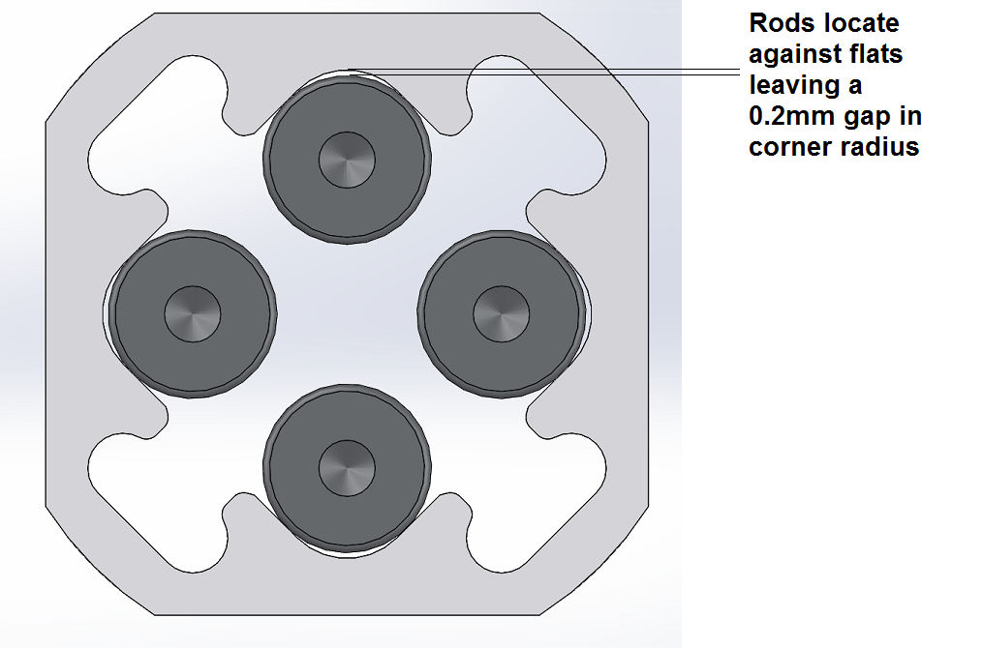
070_OP20 | 0.0010 | 0.0011 | 0.0011 | 0.0013 | 0.0006 | 0.0007 | 0.0004 | 0.0007 | 28.020 | 28.019 | 28.019 | 28.019 | 28.019 | 28.019 | 28.019 | 28.018 | 28.020 | 28.018 | 0.001 | 6
065_OP20 | 0.0014 | 0.0014 | 0.0013 | 0.0016 | 0.0005 | 0.0004 | 0.0008 | 0.0005 | 28.020 | 28.020 | 28.021 | 28.020 | 28.019 | 28.019 | 28.020 | 28.019 | 28.021 | 28.019 | 0.002 | 7
075_OP20 | 0.0014 | 0.0009 | 0.0013 | 0.0013 | 0.0006 | 0.0006 | 0.0006 | 0.0005 | 28.021 | 28.020 | 28.020 | 28.021 | 28.019 | 28.019 | 28.020 | 28.019 | 28.021 | 28.019 | 0.002 | 7
053_OP20 | 0.0008 | 0.0007 | 0.0009 | 0.0009 | 0.0003 | 0.0008 | 0.0000 | 0.0003 | 28.017 | 28.018 | 28.017 | 28.019 | 28.017 | 28.016 | 28.017 | 28.016 | 28.019 | 28.016 | 0.003 | 8
056_OP20 | 0.0008 | 0.0009 | 0.0008 | 0.0008 | 0.0006 | 0.0005 | 0.0006 | 0.0005 | 28.018 | 28.019 | 28.018 | 28.019 | 28.018 | 28.017 | 28.018 | 28.017 | 28.019 | 28.017 | 0.003 | 8
054_OP20 | 0.0011 | 0.0008 | 0.0017 | 0.0007 | 0.0007 | 0.0008 | 0.0006 | 0.0005 | 28.019 | 28.020 | 28.018 | 28.020 | 28.019 | 28.018 | 28.019 | 28.018 | 28.020 | 28.018 | 0.002 | 9
073_OP20 | 0.0013 | 0.0009 | 0.0010 | 0.0013 | 0.0027 | 0.0018 | 0.0008 | 0.0010 | 28.020 | 28.019 | 28.018 | 28.018 | 28.018 | 28.017 | 28.018 | 28.017 | 28.020 | 28.017 | 0.002 | 9
068_OP20 | 0.0012 | 0.0020 | 0.0013 | 0.0013 | 0.0005 | 0.0020 | 0.0006 | 0.0004 | 28.021 | 28.020 | 28.022 | 28.021 | 28.019 | 28.020 | 28.020 | 28.020 | 28.022 | 28.019 | 0.002 | 10
064_OP20 | 0.0016 | 0.0018 | 0.0017 | 0.0021 | 0.0009 | 0.0005 | 0.0006 | 0.0005 | 28.021 | 28.021 | 28.021 | 28.021 | 28.020 | 28.020 | 28.021 | 28.021 | 28.021 | 28.020 | 0.001 | 10
049_OP20 | 0.0012 | 0.0012 | 0.0013 | 0.0014 | 0.0018 | 0.0013 | 0.0019 | 0.0021 | 28.021 | 28.021 | 28.022 | 28.021 | 28.021 | 28.021 | 28.022 | 28.022 | 28.022 | 28.021 | 0.002 | 11
026_OP20 | 0.0015 | 0.0010 | 0.0011 | 0.0012 | 0.0007 | 0.0013 | 0.0011 | 0.0010 | 28.021 | 28.022 | 28.021 | 28.022 | 28.022 | 28.021 | 28.022 | 28.022 | 28.022 | 28.021 | 0.001 | 11
060_OP20 | 0.0009 | 0.0009 | 0.0010 | 0.0008 | 0.0007 | 0.0004 | 0.0007 | 0.0004 | 28.021 | 28.021 | 28.021 | 28.022 | 28.021 | 28.022 | 28.021 | 28.023 | 28.023 | 28.021 | 0.002 | 12
040_OP20 | 0.0010 | 0.0009 | 0.0008 | 0.0009 | 0.0011 | 0.0014 | 0.0016 | 0.0022 | 28.022 | 28.022 | 28.022 | 28.023 | 28.020 | 28.021 | 28.022 | 28.023 | 28.023 | 28.020 | 0.003 | 12
080_OP20 | 0.0013 | 0.0013 | 0.0014 | 0.0012 | 0.0004 | 0.0003 | 0.0006 | 0.0003 | 28.022 | 28.022 | 28.021 | 28.021 | 28.021 | 28.021 | 28.020 | 28.020 | 28.022 | 28.020 | 0.002 | 13
079_OP20 | 0.0012 | 0.0020 | 0.0010 | 0.0010 | 0.0005 | 0.0005 | 0.0004 | 0.0004 | 28.022 | 28.022 | 28.022 | 28.022 | 28.022 | 28.021 | 28.022 | 28.021 | 28.022 | 28.021 | 0.001 | 13
077_OP20 | 0.0011 | 0.0012 | 0.0013 | 0.0014 | 0.0007 | 0.0004 | 0.0004 | 0.0004 | 28.022 | 28.022 | 28.023 | 28.022 | 28.020 | 28.021 | 28.020 | 28.020 | 28.023 | 28.020 | 0.003 | 14
072_OP20 | 0.0011 | 0.0013 | 0.0013 | 0.0013 | 0.0006 | 0.0011 | 0.0010 | 0.0007 | 28.022 | 28.022 | 28.022 | 28.021 | 28.021 | 28.021 | 28.021 | 28.021 | 28.022 | 28.021 | 0.002 | 14
062_OP20 | 0.0010 | 0.0008 | 0.0008 | 0.0009 | 0.0009 | 0.0004 | 0.0003 | 0.0003 | 28.022 | 28.024 | 28.022 | 28.023 | 28.022 | 28.021 | 28.021 | 28.021 | 28.024 | 28.021 | 0.003 | 15
058_OP20 | 0.0010 | 0.0009 | 0.0009 | 0.0010 | 0.0007 | 0.0004 | 0.0004 | 0.0005 | 28.023 | 28.024 | 28.023 | 28.024 | 28.021 | 28.021 | 28.022 | 28.022 | 28.024 | 28.021 | 0.003 | 15
061_OP20 | 0.0010 | 0.0009 | 0.0010 | 0.0010 | 0.0006 | 0.0005 | 0.0011 | 0.0005 | 28.020 | 28.021 | 28.020 | 28.021 | 28.019 | 28.021 | 28.019 | 28.021 | 28.021 | 28.019 | 0.002 | 16
074_OP20 | 0.0011 | 0.0017 | 0.0011 | 0.0010 | 0.0006 | 0.0013 | 0.0004 | 0.0011 | 28.020 | 28.021 | 28.021 | 28.021 | 28.020 | 28.021 | 28.021 | 28.021 | 28.021 | 28.020 | 0.001 | 16
059_OP20 | 0.0010 | 0.0009 | 0.0007 | 0.0011 | 0.0004 | 0.0004 | 0.0005 | 0.0009 | 28.018 | 28.018 | 28.019 | 28.018 | 28.019 | 28.018 | 28.020 | 28.018 | 28.020 | 28.018 | 0.002 | 17
032_OP20 | 0.0010 | 0.0009 | 0.0008 | 0.0010 | 0.0007 | 0.0007 | 0.0008 | 0.0006 | 28.018 | 28.018 | 28.019 | 28.018 | 28.020 | 28.019 | 28.021 | 28.020 | 28.021 | 28.018 | 0.003 | 17
057_OP20 | 0.0018 | 0.0011 | 0.0013 | 0.0011 | 0.0003 | 0.0005 | 0.0004 | 0.0005 | 28.020 | 28.019 | 28.021 | 28.020 | 28.018 | 28.019 | 28.019 | 28.019 | 28.021 | 28.018 | 0.003 | 18
063_OP20 | 0.0028 | 0.0008 | 0.0009 | 0.0009 | 0.0007 | 0.0003 | 0.0004 | 0.0006 | 28.020 | 28.021 | 28.020 | 28.021 | 28.020 | 28.019 | 28.021 | 28.019 | 28.021 | 28.019 | 0.002 | 18
045_OP20 | 0.0008 | 0.0007 | 0.0007 | 0.0009 | 0.0023 | 0.0021 | 0.0025 | 0.0028 | 28.021 | 28.020 | 28.023 | 28.021 | 28.018 | 28.019 | 28.020 | 28.021 | 28.023 | 28.018 | 0.005 | 19
035_OP20 | 0.0028 | 0.0009 | 0.0009 | 0.0008 | 0.0008 | 0.0005 | 0.0007 | 0.0009 | 28.023 | 28.022 | 28.023 | 28.022 | 28.020 | 28.020 | 28.021 | 28.021 | 28.023 | 28.020 | 0.003 | 19
069_OP20 | 0.0012 | 0.0012 | 0.0034 | 0.0011 | 0.0007 | 0.0011 | 0.0006 | 0.0017 | 28.018 | 28.018 | 28.018 | 28.017 | 28.017 | 28.017 | 28.017 | 28.017 | 28.018 | 28.017 | 0.002 | 20
039_OP20 | 0.0008 | 0.0008 | 0.0010 | 0.0018 | 0.0004 | 0.0010 | 0.0011 | 0.0014 | 28.019 | 28.020 | 28.018 | 28.020 | 28.016 | 28.016 | 28.017 | 28.016 | 28.020 | 28.016 | 0.004 | 20
066_OP20 | 0.0014 | 0.0012 | 0.0018 | 0.0016 | 0.0005 | 0.0006 | 0.0005 | 0.0010 | 28.028 | 28.026 | 28.028 | 28.027 | 28.026 | 28.026 | 28.026 | 28.026 | 28.028 | 28.026 | 0.002 | no
067_OP20 | 0.0013 | 0.0015 | 0.0015 | 0.0012 | 0.0008 | 0.0005 | 0.0004 | 0.0007 | 28.014 | 28.014 | 28.015 | 28.015 | 28.014 | 28.014 | 28.015 | 28.015 | 28.015 | 28.014 | 0.002 | x
050_OP20 | 0.0015 | 0.0013 | 0.0013 | 0.0015 | 0.0022 | 0.0026 | 0.0021 | 0.0029 | 28.017 | 28.018 | 28.020 | 28.020 | 28.016 | 28.019 | 28.020 | 28.021 | 28.021 | 28.016 | 0.005 | x
071_OP20 | 0.0010 | 0.0012 | 0.0011 | 0.0011 | 0.0007 | 0.0013 | 0.0011 | 0.0008 | 28.020 | 28.021 | 28.020 | 28.019 | 28.019 | 28.020 | 28.019 | 28.019 | 28.021 | 28.019 | 0.002 | x
052_OP20 | 0.0008 | 0.0009 | 0.0011 | 0.0009 | 0.0017 | 0.0014 | 0.0019 | 0.0021 | 28.018 | 28.016 | 28.018 | 28.017 | 28.015 | 28.015 | 28.016 | 28.017 | 28.018 | 28.015 | 0.003 | y
030_OP20 | 0.0011 | 0.0009 | 0.0009 | 0.0012 | 0.0007 | 0.0006 | 0.0014 | 0.0009 | 28.021 | 28.020 | 28.022 | 28.021 | 28.025 | 28.023 | 28.026 | 28.023 | 28.026 | 28.020 | 0.006 | y
043_OP20 | 0.0008 | 0.0008 | 0.0007 | 0.0007 | 0.0004 | 0.0006 | 0.0004 | 0.0006 | 28.022 | 28.022 | 28.022 | 28.023 | 28.023 | 28.024 | 28.024 | 28.025 | 28.025 | 28.022 | 0.003 | y
028_OP20 | 0.0009 | 0.0010 | 0.0011 | 0.0013 | 0.0009 | 0.0007 | 0.0008 | 0.0010 | 28.024 | 28.023 | 28.025 | 28.024 | 28.023 | 28.024 | 28.024 | 28.025 | 28.025 | 28.023 | 0.002 | y
051_OP20 | 0.0013 | 0.0014 | 0.0012 | 0.0013 | 0.0017 | 0.0017 | 0.0017 | 0.0012 | 28.016 | 28.016 | 28.017 | 28.016 | 28.018 | 28.016 | 28.019 | 28.018 | 28.019 | 28.016 | 0.004 | z
081_OP20 | 0.0019 | 0.0018 | 0.0016 | 0.0019 | 0.0004 | 0.0005 | 0.0004 | 0.0005 | 28.017 | 28.017 | 28.016 | 28.015 | 28.017 | 28.017 | 28.017 | 28.016 | 28.017 | 28.015 | 0.001 | z
044_OP20 | 0.0010 | 0.0021 | 0.0009 | 0.0009 | 0.0020 | 0.0025 | 0.0017 | 0.0024 | 28.018 | 28.018 | 28.020 | 28.020 | 28.019 | 28.019 | 28.020 | 28.021 | 28.021 | 28.018 | 0.003 | z

